1. Title Page
Instacart Grocery Basket Analysis

Project Name: Instacart Grocery Basket Analysis
Date: July 17th, 2023
Analyst Name: SeBrea Wilmore

 | Contents:
 | Population Flow
 | Consistency checks
 | Wrangling steps
 | Column derivations
 | Visualizations
 | Recommendations

“The Instacart Online Grocery Shopping Dataset 2017”, Accessed from www.instacart.com/datasets/grocery-shopping-2017 via Kaggle on [7/172023].

2. Population Flow
Title page

Population Flow

Exclusion Flag
Condition: max_order < 5
Obervations to be removed: 1,358,803
Final total count of order_products_all: 29,270,938

Orders_products_combined
Orders_products_merged
Orders_products_all

Total: 32,384,817
Total: 32,434,489
Total: 30,629,741

1.) The grey boxes in the first row of the population flow represent the original data sets as they were when you downloaded them. In the Total fields you need to add the count of the rows when you imported the data set into Jupyter.
2.) The second row of boxes (coloured) represents the data sets after you manipulated them, e.g., removed missing values and duplicates. In the Total fields you need to add the count of the rows after conducting these operations. This offers a visual oveview of how the data flows throughout the data consistency checks.
3.) The third row, where also the arrows are coloured, represents the merges you performed between the datasets. In the Total fields you need to add the count of the rows in the merged datasets, so that you end up with the final dataset (in the red box). Keep in mind the final dataset should be without exclusions (based on the exclusion flag).

3. Consistency Checks
 |  |  |  | Title page
Consistency Checks

Dataset | Missing values | Missing values treatment | Duplicates
orders | 206,209 values were missing from days since order column. | Missing values were left as is | None
products | 16 missing values in the product_name column | Created data frame 'df_prods_clean' | 5 duplicates found and subsequently dropped. Clean dataset exported as 'df_prods_clean_no_dups'
orders_products_prior | Some values for prices were $14,990 and $99,999 | Replaced with nan | None
customers | None | None | None

4. Wrangling Steps
 |  |  |  | Title page
Wrangling Steps

Columns dropped | Columns renamed | Columns' type changed | Comment/Reason
Eval_Set |  |  | Variable was not needed
 | Orders_DOW to orders_day_of_week |  | more descriptive
 |  | order_id from int64 to string | This variable has no numeric value and is not used for statistical calculations
 |  | user_id from int64 to string | This variable has no numeric value and is not used for statistical calculations
 | Surnam to last |  | more descriptive
 | n_dependants to no_of_dependants |  | more descriptive
 | first_name to first |  | column name consistency
 | fam_status to marital_status |  | column name consistency
first |  |  | contains PII
last |  |  | contains PII

5. Column Derivations
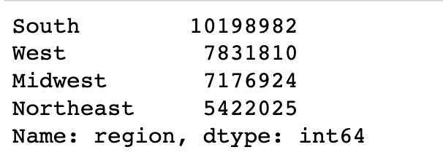
 |  |  |  |  | Title page

Column Derivations and Aggregations

Flag Frequencies
Age group Price Range
Busiest Days Customer Loyalty
User Spending Customer Frequency
Busiest period of day
Dataset | New column | Column/s it was derived from | Conditions
orders_products_combined | price_range_loc | prices | If the price is >15 : 'High range product' >5 and <=15 : 'Midrange product' <=5 : 'Low range product'
orders_products_combined | busiest_day | orders_day_of_week | If the day of the week is 0 : 'Busiest day' 4 : 'Least busy' 1,2,3,5,6 : 'Regularly busy' | 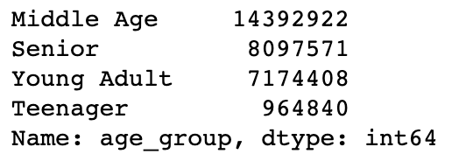
orders_products_combined | busiest_days | orders_day_of_week | If the day of the week is 0,1 : 'Busiest days' 3,4 : 'Least busy days' 2,5,6 : 'Regularly busy'
orders_products_combined | busiest_period_of_day | order_hour_of_day | If the hour of the day is 10,11,14,15,13,12,16,9 : 'Most orders' 23,6,0,1,5,2,4,3 : 'Fewest orders' Anything else : 'Average orders'
orders_products_combined (aggregation) | max_order | user_id and order_number | grouped user id & order number to return max order numbers per customer
orders_products_combined | loyalty_flag | max_order | If the customers maximum amount of orders is >40 : 'Loyal customer' >10 and <=40 : 'Regular customer' <=10 : 'New customer'
orders_products_combined (aggregation) | average_order | user_id and prices | grouped user id & prices to return average order amount per customer
orders_products_combined | spending_flag | average_order | If the users average order amount is <10 : 'Low spender' >=10 : 'High spender'
orders_products_combined (aggregation) | user_frequency | user_id & days_since_prior_order | Grouped user_id and days_since_prior order to get the median days since last order
orders_products_combined | frequency_flag | user_frequency | If the users last day since prior order is >20 : 'Non frequent customer' >10 and <=20 : 'Regular customer' <=10 : Frequent customer
customers_orders_products | crosstab | days_since_prior_order & order_number | Created pivot table
customers_orders_products | region_spending crosstab | region and spending_flag | Created pivot table
customers_orders_products | region | state | Grouped individual states into regions
customers_orders_products | income_bracket | income | If income is <70,000 : 'Lower income' <=70,000 and < 110000: 'Middle income'
customers_orders_products | dependant_flag | dependants | If no_of_dependants is =0: No dependants >=1: Has dependants
customers_orders_products (aggregation) | age_department_groups | age_group & department_name | Grouped age_group & department_name to compare customer behavior across each department
customers_orders_products (aggregation) | department_income | department_name & income | Grouped income & department_name to compare customer behavior across each department

Region Income
Dependants

6. Visualizations
Visualizations

Visualizations
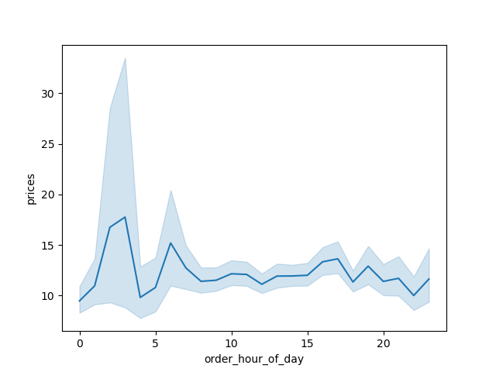

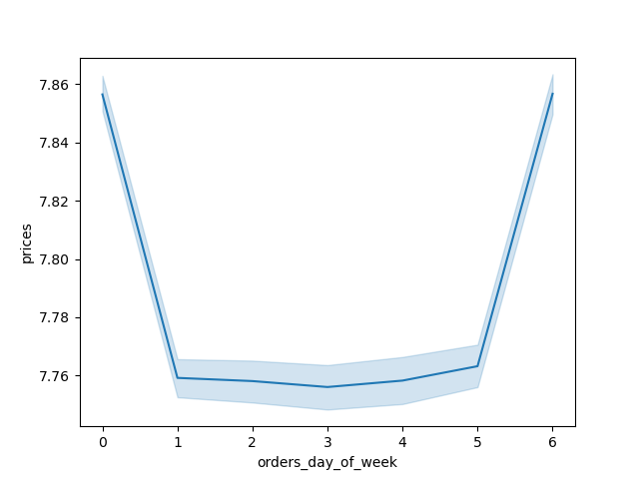


Customers spend more money late at night or early in the morning before 9 AM, no matter the day of the week.

Saturdays and Sundays are the busiest days of the week
The busiest hours of the day are betwen 8am-7pm


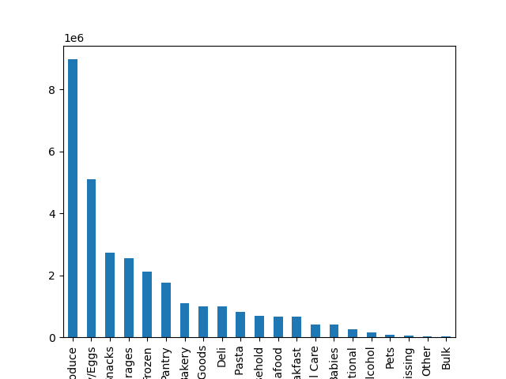
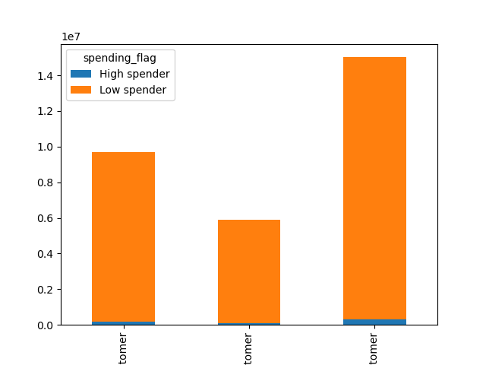

Regular
Loyal
New
The top 3 popular departments are Produce, Dairy/Eggs, & Snacks
Regular
Loyal
New

Regular customers make up the majority of Instacart's customer base, followed by loyal customers, then new customers
The vast majority of customers are low spenders regardless of their loyalty status

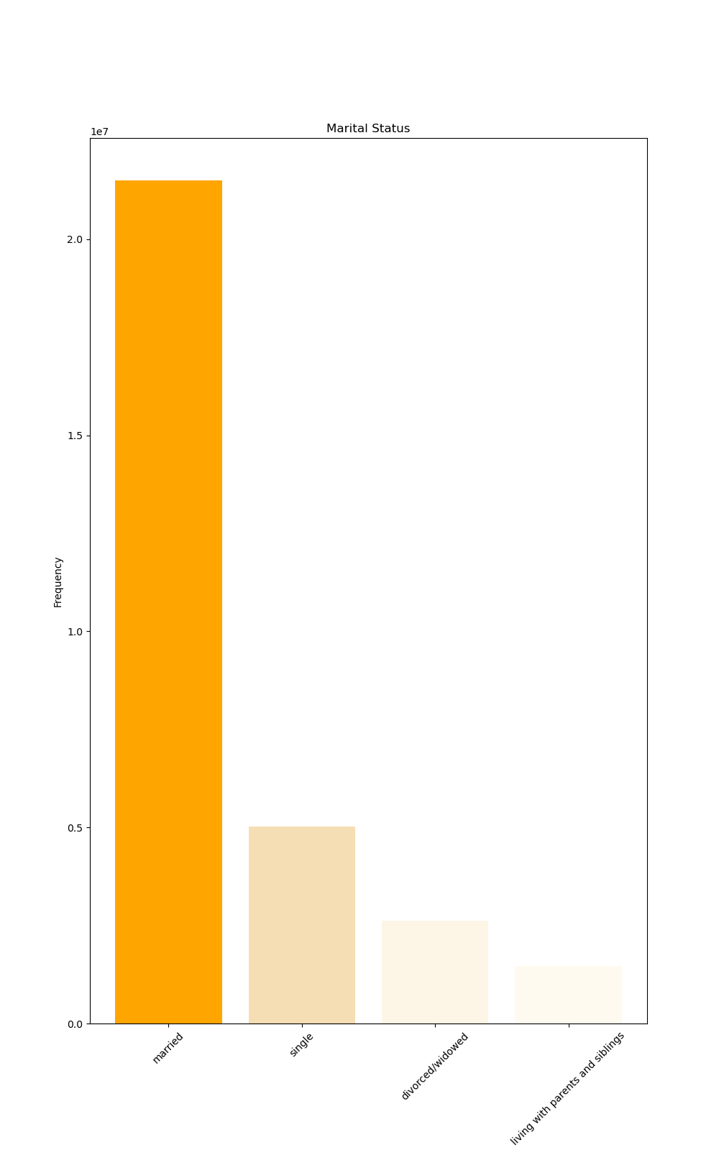
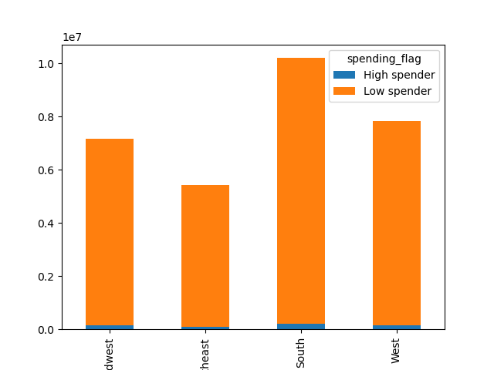
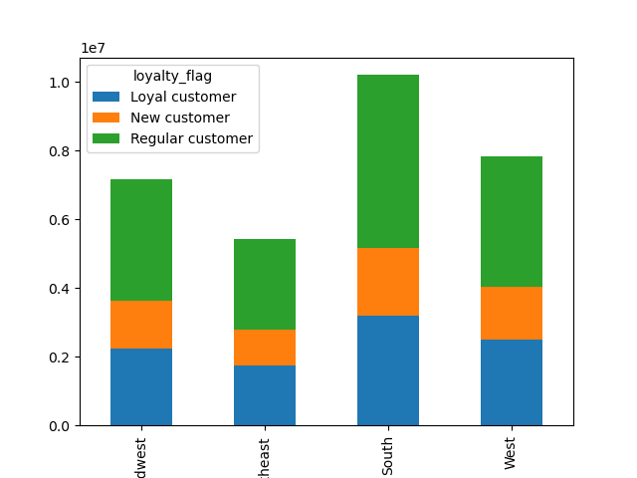

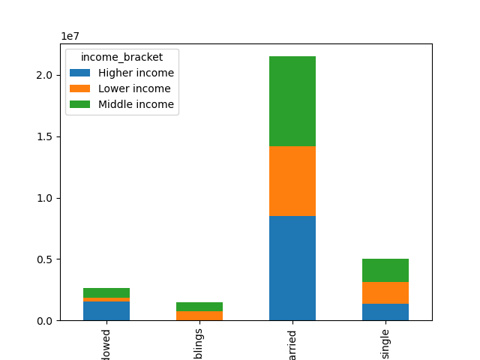
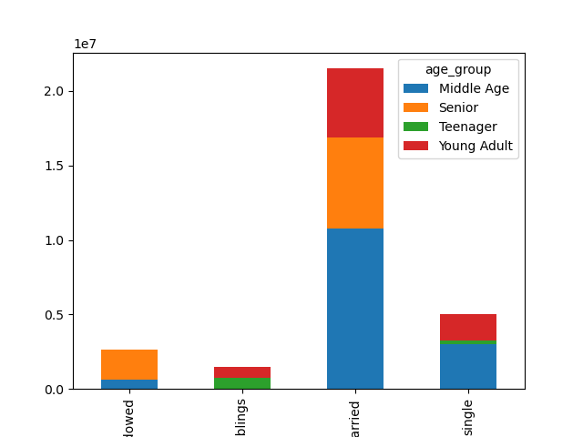
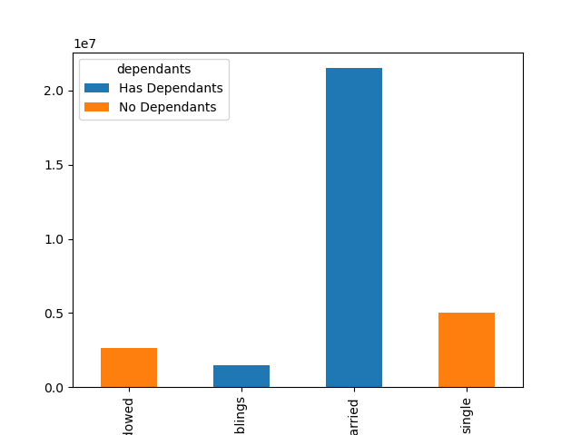

Instacart is used the most in the South with the most spending and customers within each loyalty flag

Married customers with dependants are the highest users, regardless of income level or age group

7. Recommendations
 |  | Reccomendations

Recommendations

Question | Answer
The sales team needs to know what the busiest days of the week and hours of the | The busiest days of the week are Saturdays and Sundays, between 8am-7pm Reccomendation: Introduce marketing campaign during Tuesdays and Wednesday between average AND lowest order hour to increase customer traffic
day are (i.e., the days and times with the most orders) in order to schedule ads at
times when there are fewer orders.

Are there particular times of the day when people spend the most money? | The most money is spent during late night hours between 2-4am and early in the morning between 6-8am

Instacart has a lot of products with different price tags. Marketing and sales want to use simpler price range groupings to help direct their efforts | Price ranges were created to identify high spenders and low spenders based on the average amount of orders for each user

Are there certain types of products that are more popular than others? | Produce is the most popular department, followed by Dairy/Eggs then snacks. Reccomendation: Add more items to these departments and advertise promotions on the products with the least sales

 | Married couples with dependants place more orders, across each income bracket and age group.
What are the different types of customers and how do their ordering behaviors differ? | Regionally, customers use Instacart the most in the South, and the least in the Northeast.
 | Moreover, customers that live with parents & siblings along with divorced/widowed individuals use the app the least.
 | Most of the items that are purchased are of lower value, causing most customers to be deemed a 'Low spender'. There are very little high spenders within the app.
 | Reccomendation: Advertise more discounts through push notifications and create special offers for new customers to make them stay on the platform and become regular or loyal customers

